Calculation Sheet
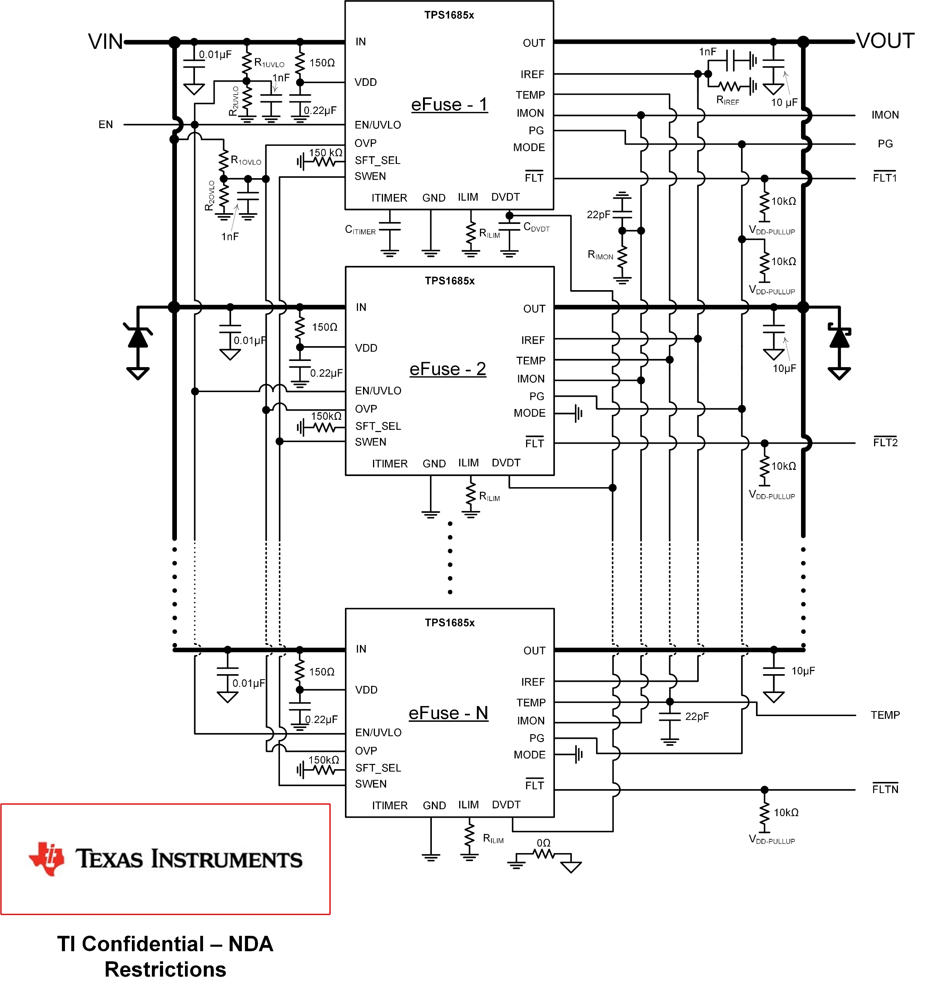
TPS1685 Design Calculation Tool

Parameter | Description | Value | Remarks
Step 1: System Parameters
VIN (MIN) (V) | Minimum Input Operating Voltage | 40
VIN (NOM) (V) | Nominal Input Operating Voltage | 54
VIN (MAX) (V) | Maximum Input Operating Voltage | 60
IOUT (MAX) (A) | Maximum continuous load current | 45
CLOAD (µF) | Maximum Output Load Capacitance | 2000
TA (MAX) (⁰C) | Maximum Ambient Operating Temperature | 55

Step 2: eFuse Design
Minimum recommended number of devices | TPS1685x | 3
Number of TPS1685x devices selected by the user,N |  | 3
ITRIP (TOTAL) (A) [Targeted] | Targeted circuit-breaker threshold during steady state [Typically 1.1 times IOUT (MAX)]. Recommended to keep below 22A*N | 55
VIREF (V) [Targeted] | Targeted threshold for overcurrent & short-circuit protection and active current sharing | 1 | Need to connect a 1000pF capacitor at the IREF pin
RIREF (kΩ) [Calculated] | Calculated value of resistance on the IREF pin | 40
RIREF (kΩ) [Actual] | Enter the value of resistance on the IREF pin | 40.2
VIREF (V) [Actual] | Actual threshold for overcurrent & short-circuit protection and active current sharing | 1.005
RIMON (Ω) [Calculated] | Calculated value of resistance on the IMON pin | 994.2 | Need to connect a 22pF capacitor across RIMON
RIMON (Ω) [Actual] | Enter the value of resistance on the IMON pin | 1000.0
ITRIP (TOTAL) (A) [Actual] | Actual circuit-breaker threshold during steady state . | 54.7
RILIM (Ω) [Calculated] | Calculated value of resistance on the ILIM pin | 1100.0
RILIM (Ω) [Actual] | Enter the value of resistance on the ILIM pin | 1100.0
ILIM ACS (A) [Actual] | Actual active current sharing threshold, Recommended to keep below 20A | 18.3
tITIMER (ms) [Targeted] | Targeted transient overcurrent blanking interval | 2
CITIMER (nF) [Calculated] | Calculated value of capacitance on the Itimer pin | 2.6
CITIMER (nF) [Actual] | Enter the value of capacitance on the Itimer pin | 3.3
tITIMER (ms) [Actual] | Actual transient overcurrent blanking interval | 3
TSS (ms) [Targeted] | Targeted startup time with nominal input voltage | 60
CDVDT (nF) [Calculated] | Calculated value of the capacitor connected at the DVDT pin | 53
CDVDT (nF) [Actual] | Enter the value of the capacitor connected at the DVDT pin | 56
TSS (ms) [Actual] | Actual startup time with nominal input voltage | 63
IINRUSH (A) [Calculated] | Total inrush current to charge the output capacitor. It is recommended to limit inrush current below 0.56A*N, N is total devices in parallel | 1.7
RUPPER TO SET UVLO THRESHOLD (kΩ) [Actual] | Enter the value of upper resistor in a resistor divider network to set the under-voltage lockout threshold | 1000
RLOWER TO SET UVLO THRESHOLD (kΩ) [Calculated] | Calculated value of lower resistor in a resistor divider network to set the under-voltage lockout threshold | 30.9
RLOWER TO SET UVLO THRESHOLD (kΩ) [Actual] | Enter the value of lower resistor in a resistor divider network to set the under-voltage lockout threshold | 31.0
UVLO THRESHOLD (V) [Actual] | Actual under-voltage lockout threshold | 39.9
RUPPER TO SET OVLO THRESHOLD (kΩ) [Actual] | Enter the value of upper resistor in a resistor divider network to set the over-voltage lockout threshold | 1000
RLOWER TO SET OVLO THRESHOLD (kΩ) [Calculated] | Calculated value of lower resistor in a resistor divider network to set the over-voltage lockout threshold | 19.8
RLOWER TO SET OVLO THRESHOLD (kΩ) [Actual] | Enter the value of the lower resistor in a resistor divider network to set the over-voltage lockout threshold | 20.0
OVLO THRESHOLD (V) [Actual] | Actual under-voltage lockout threshold | 59.4

